1. Title Page
Grocery Basket Analysis

Project Name: Instacart Grocery Basket Analysis
Date: 9/14/2023
Analyst Name: Kate Pan

Contents:
Tab 2. | Population Flow
Tab 3. | Consistency checks
Tab 4. | Wrangling steps
Tab 5. | Column derivations
Tab 6. | Visualizations
Tab 7. | Recommendations

Objective:
 | Instacart is an online grocery store that operates through an app. This report is to provide insights
 | and to suggest strategies for the store to improve their sales and revenue.

Details:
 | The Instacart has a variety of customers in their database along with their purchasing behaviors.
 | To have an effective marketing compaigns, the analysis is perfomed to ensure that Instacart targets
 | the right customer profiles with the appropriate products. The analysis is conducted on Instacart's
 | customer dataset, product dataset, order dataset, etc. The final analysis results answer the following
 | key questions for the stakeholders:

1 | What are the busiest days of the week and busiest hours of the day?
 | In order to schedule ads at times when there are fewer orders.

2 | What are the times of the day when people spend the most money?
 | This might inform the type of products they advertise at these times.

3 | What are the price range groups for all the products at Instacart?

4 | Are there certain types of products that are more popular than others? Which departments?

5 | What's the distribution among users in regards to their brand loyalty? How often do they return to Instacart?

6 | Are there differences in ordering habits based on a customer's loyalty status?

7 | Are there differences in ordering habits based on a customer's region?

8 | Is there a connection between age and family status in terms of ordering habits?

9 | What different classifications does the demographic information suggest?
 | Age? Income? certain types fo goods? family status?

10 | What differences are there in the ordering habits of different customer profiles?

2. Population Flow
Title page

Population flow

Exclusion flag
Condition: max_order < 5
Obervations to be removed: 7997083
Final total count of order_products_all: 24435947

Orders_products_combined
Orders_products_merged
Orders_products_all

Total: 32433030
Total: 32434489
Total: 32433030

1.) The grey boxes in the first row of the population flow represent the original data sets as they were when you downloaded them. In the Total fields you need to add the count of the rows when you imported the data set into Jupyter.
2.) The second row of boxes (coloured) represents the data sets after you manipulated them, e.g., removed missing values and duplicates. In the Total fields you need to add the count of the rows after conducting these operations. This offers a visual oveview of how the data flows throughout the data consistency checks.
3.) The third row, where also the arrows are coloured, represents the merges you performed between the datasets. In the Total fields you need to add the count of the rows in the merged datasets, so that you end up with the final dataset (in the red box). Keep in mind the final dataset should be without exclusions (based on the exclusion flag).

3. Consistency checks
 |  |  |  | Title page
Consistency checks

Dataset | Missing values | Missing values treatment | Duplicates
Products | 16 | Fill in 'NA'.
Products |  |  | 5
Orders | 206209 | Create a new variable acting as a flag.

4. Wrangling steps
 |  |  |  | Title page
Wrangling steps

Columns dropped | Columns renamed | Columns' type changed | Comment/Reason
Orders dataset- eval_set column |  |  | It's irrelevant.
 | Orders: orders_dow |  | Original name 'order_dow' is not clear and intuitive.
 |  | Orders: order_id | The string type can still serve as id, and it doesn't need to be calculated.
 |  | Orders: user_id | The string type can also serve as id, and it doesn't need to be calculated.
 | Orders: order_number |  | The new name gives more intuitive explanation and meaning.
 | Customer dataset- n_dependants |  | The original name is not clear and intuitive.
 | Customer dataset- fam_status |  | The original name is not clear and intuitive.
 |  | Customer: First name | Mixed types in the column.

Note.
Personally identifiable information(PII) is removed from the datasets.

5. Column derivations
 |  |  |  |  | Title page

Column derivations and aggregations

 | Dataset | New column | Column/s it was derived from | Conditions
 | orders_products_merged | price_range | prices | high-range produc: pricest>15. mid-range product: 5<prices<=15. low-range product: prices <=5
 | orders_products_merged | busiest_day | orders_days_of_week | Busiest day=Sunday, Least busy day=Thursday, Regularly busy: Others
 | orders_products_merged | busiest_days | orders_days_of_week | 2 busiest days=Sun.&Mon., 2 slowest days=Wed.&Thurs., Regularly busy: Others
 | orders_products_merged | busiest_period_of_day | order_hour_of_day | 8<Most orders hours<17. 17<=Average orders hours<23 and 7,8. 0<=Fewest orders hours<7 and 23.
 | orders_products_merged | max_order | user_id, order_number | Maximum order of the user.
 | orders_products_merged | loyal_flag | max_order | Loyal customers: max_order>40, Regular customers: 10<max_order<=40. New customers: max_order<=10
 | orders_products_merged | avg_price | user_id, prices | Average price paid by a user.
 | orders_products_merged | spending_flag | avg_price | Low spender: avg_price<10. High spender: avg_price >=10
 | orders_products_merged | median_days_since | user_id, days_since_prior_order | The median in the days_since_prior_order column.
 | orders_products_merged | order_frequency_flag | median_days_since | Non-frequenct customer: median_days >20. Frequent customer: median_days<=10. Regular customer: 10<median_days<=20
 | customer_order_product | region | STATE | 4 Regions(Northeast,Midwest, South, West) depending on the location of the state.
 | customer_order_product | South_Spending | Region, spending_flag | Spending flag: region= South.
 | customer_order_product | West_Spending | Region, spending_flag | Spending flag: region= West.
 | customer_order_product | Midwest_spending | Region, spending_flag | Spending flag: region= Midwest.
 | customer_order_product | Northeast_Spending | Region, spending_flag | Spending flag: region= Northeast.
 | customer_order_product | exclusion_flag | order_number | order_number< 5
 | customer_order_product | customer_profile | Age, Num_dependents, income, dept_id, | HIghIncomeOlderParent shopper: Age>40, income >100,000, Num_dependents>0, dept_id
 | (after removing rows of exclusion) |  | Marital_Status

 | New columns flag/label frequencies:

1 | price_range |  | 15 | exclusion_flag
 | Mid-range product 21889009 |  |  | x 7997083
 | Low-range product 10126339
 | High-range product 417682

2 | busiest_day |  | 16 | customer_profile
 | Regularly busy 22436578 |  |  | HighIncome_OlderParent_OtherItemsShopper 4328386
 | Busiest day 6209410 |  |  | LowIncome_YoungParent_OtherItemsShopper 2659337
 | Least busy 3787042 |  |  | HighIncome_OlderParent_ProduceShopper 2469032
 |  |  |  | LowIncome_OlderParent_OtherItemsShopper 2101953
3 | busiest_days |  |  | LowIncome_YoungSingle_OtherItemsShopper 1684964
 | Regularly busy 12927045 |  |  | LowIncome_YoungParent_ProduceShopper 1484359
 | Busiest days 11875014 |  |  | HighIncome_OlderSingle_OtherItemsShopper 1452956
 | Slowest days 7630971 |  |  | HighIncome_OlderParent_DairyShopper 1403698
 |  |  |  | LowIncome_OlderParent_ProduceShopper 1073436
 |  |  |  | LowIncome_YoungSingle_ProduceShopper 936833
4 | busiest_period_of_day |  |  | LowIncome_YoungParent_DairyShopper 848398
 | Most orders 21136476 |  |  | HighIncome_OlderSingle_ProduceShopper 835605
 | Average orders 10006413 |  |  | LowIncome_OlderSingle_OtherItemsShopper 694996
 | Fewest orders 1290141 |  |  | LowIncome_OlderParent_DairyShopper 616457
 |  |  |  | LowIncome_YoungSingle_DairyShopper 537222
 |  |  |  | HighIncome_OlderSingle_DairyShopper 470169
5 | max_order-the first 10 entries |  |  | LowIncome_OlderSingle_ProduceShopper 355177
 | user_id | max_order |  | LowIncome_OlderSingle_DairyShopper 207905
 | 1 | 10 |  | HighIncome_YoungParent_OtherItemsShopper 94532
 | 1 | 10 |  | HighIncome_YoungSingle_OtherItemsShopper 59672
 | 1 | 10 |  | HighIncome_YoungParent_ProduceShopper 43677
 | 1 | 10 |  | HighIncome_YoungParent_DairyShopper 29646
 | 1 | 10 |  | HighIncome_YoungSingle_ProduceShopper 28972
 | 1 | 10 |  | HighIncome_YoungSingle_DairyShopper 18565
 | 1 | 10
 | 1 | 10
 | 1 | 10
 | 1 | 10
 | 15 | 22

6 | loyalty_flag
 | Regular customer 15890458
 | Loyal customer 10293434
 | New customer 6249138

7 | avg_price- the first 10 entries
 | 0 6.367797
 | 1 6.367797
 | 2 6.367797
 | 3 6.367797
 | 4 6.367797
 | 5 6.367797
 | 6 6.367797
 | 7 6.367797
 | 8 6.367797
 | 9 6.367797
 | 10 3.980556

8 | spending_flag
 | Low spender 31797576
 | High spender 635454

9 | order_frequency_flag
 | Frequent customer 21576963
 | Regular customer 7216644
 | Non-frequent customer 3639423

10 | Region
 | South 10801195
 | West 8300141
 | Midwest 6975790
 | Northeast 5728144

11 | South_Spending
 | Low spender 10591015
 | High spender 210180

12 | West_Spending
 | Low spender 8139334
 | High spender 160807

13 | Midwest_Spending
 | Low spender 6835490
 | High spender 140300

14 | Northeast_Spending
 | Low spender 5619802
 | High spender 108342

6. Visualizations
 |  |  |  |  |  |  |  |  |  |  |  |  |  | Title page

Visualisations

 | 1. Bar chart of orders_day_of_week



 |  |  |  |  |  |  |  |  | Chart comment:
 |  |  |  |  |  |  |  |  |  | Around weekend, there are the highest sales.

 |  |  |  |  |  |  |  |  |  | Busiest days are on Sunday, Monday and Saturday.

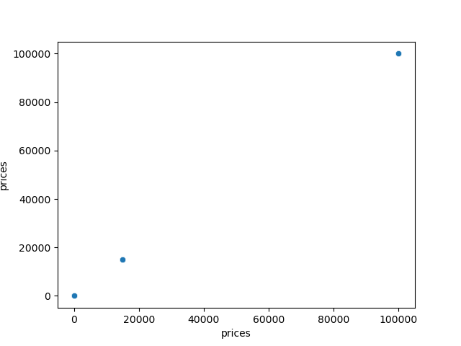
2 | Scatterplot

 |  |  |  |  |  |  |  |  | Chart comment:
 |  |  |  |  |  |  |  |  |  |  | There are extreme values in the prices which make the data biased.

3 | Histogram of prices


 |  |  |  |  |  |  |  |  | Chart comment:
 |  |  |  |  |  |  |  |  |  |  | After replacing the biased data of price >100, the histogram of prices is under normal circumstances.

4 | Line chart of ( orders_day_of_week, prices) -30% random sample

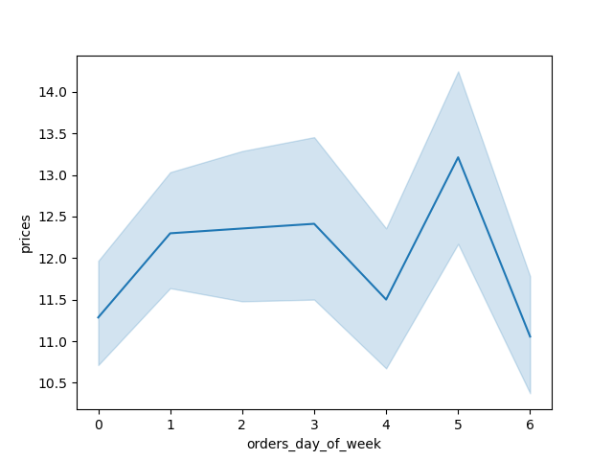

 |  |  |  |  |  |  |  | Chart comment:
 |  |  |  |  |  |  |  |  | Friday has the highest sales.
 |  |  |  |  |  |  |  |  | Based on different samples, charts might be totally different.

5 | Histogram of the column- order_hour_of_day



 |  |  |  |  |  |  |  |  | Comment:
 |  |  |  |  |  |  |  |  |  | The order frequency appears the highest around 10am and in the early afternoon.

 |  |  |  |  |  |  |  |  |  | The busiest hours are around 10am and 12pm-2pm.

6 | Bar chart of Loyal_flag


 |  |  |  |  |  |  |  |  | Comment:
 |  |  |  |  |  |  |  |  |  | The bar chart shows regular customers have the highest number.
 |  |  |  |  |  |  |  |  |  | New customers have the lowest number.

 |  |  | regular | loyal | new

7 | Line chart of ( order_hour_of_day, prices)- 30% sample

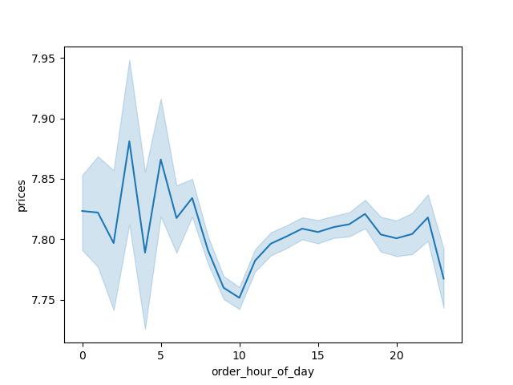

 |  |  |  |  |  |  |  | Comment:
 |  |  |  |  |  |  |  |  | This sample data illustrates higher prices paid during midnight.

 |  |  |  |  |  |  |  |  | Customers spend the most money between 3am to 5am.

8 | Line chart of ( Age, Num_Dependents)
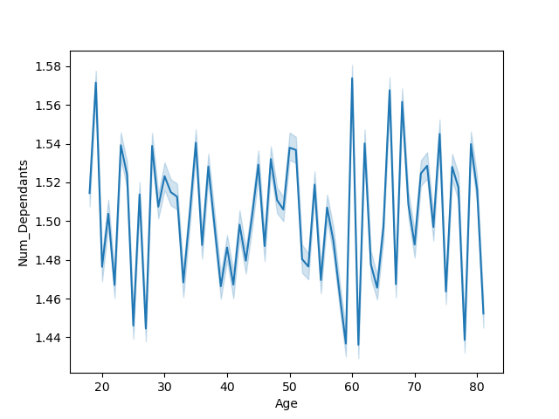

 |  |  |  |  |  |  |  | Comment:
 |  |  |  |  |  |  |  |  | Every age group has various dependents.
 |  |  |  |  |  |  |  |  | Around late 20's , 60's, and 80's, there are lowest numbers of dependents.

9 | Scatterplot of (Age, income)



 |  |  |  |  |  |  |  | Comment:
 |  |  |  |  |  |  |  |  | After age 40's, there are more high-income customers.

10 | Connection between age and family status in terms of ordering habits:
 | a. Age |  |  |  |  |  |  |  | b. Family status
 | High spender | Low spender
18 | 7101 | 369427
19 | 5130 | 387806
20 | 8064 | 367663
21 | 8432 | 380311
22 | 6664 | 383015
23 | 6665 | 384688
24 | 11497 | 370635
25 | 5843 | 347517
26 | 7009 | 380375
27 | 7505 | 390929
28 | 6241 | 357961
29 | 6968 | 386898
30 | 4289 | 376515
31 | 7558 | 394308
32 | 5546 | 367456
33 | 6072 | 364643
34 | 8010 | 377393
35 | 10003 | 383682
36 | 7037 | 358091
37 | 7388 | 377812
38 | 7759 | 383680
39 | 9128 | 375463
40 | 7721 | 373357
41 | 7341 | 345935
42 | 6179 | 377825
43 | 10149 | 385527
44 | 7675 | 382555
45 | 10369 | 374908
46 | 9883 | 360397
47 | 8516 | 380006
48 | 8974 | 395001
49 | 12097 | 391315
50 | 4214 | 365080
51 | 6396 | 380330
52 | 5655 | 373944
53 | 8276 | 368394
54 | 8682 | 384107
55 | 8257 | 377354
56 | 6507 | 386410
57 | 6035 | 368721
58 | 4831 | 374058
59 | 9474 | 369691
60 | 6240 | 355836
61 | 4605 | 361708
62 | 7943 | 363991
63 | 8853 | 363811
64 | 13202 | 387646
65 | 8713 | 357811
66 | 5894 | 350761
67 | 7507 | 364202
...
 | High spender | Low spender
divorced/widowed | 40494 | 2050591
living with parents and siblings | 22836 | 1149668
married | 343984 | 16808927
single | 76210 | 3943237

 |  |  |  |  |  |  |  |  |  |  |  |  |  |  | Comment:
 |  |  |  |  |  |  |  |  |  |  |  |  |  |  | Family status presents big difference.
 |  |  |  |  |  |  |  |  |  |  |  |  |  |  | A majority of married people are low spenders.
 |  |  |  |  |  |  |  |  |  |  |  |  |  |  | They spend less in purchasing goods at the store.

 | Comment:
 | Age makes no difference in the spending habits.

11 | Compare customer profiles with regions |  |  |  |  |  |  |  |  |  | 12 | Compare customer profiles with departments

 | Midwest | Northeast | South | West
HighIncome_OlderParent_DairyShopper | 309180 | 253484 | 456063 | 358249
HighIncome_OlderParent_OtherItemsShopper | 953892 | 780281 | 1408840 | 1101883
HighIncome_OlderParent_ProduceShopper | 544312 | 444389 | 806945 | 624425
HighIncome_OlderSingle_DairyShopper | 101139 | 81147 | 153642 | 123245
HighIncome_OlderSingle_OtherItemsShopper | 308248 | 252276 | 482374 | 377407
HighIncome_OlderSingle_ProduceShopper | 179877 | 140519 | 277046 | 220205
HighIncome_YoungParent_DairyShopper | 6307 | 4783 | 10483 | 7424
HighIncome_YoungParent_OtherItemsShopper | 20253 | 15989 | 33587 | 22665
HighIncome_YoungParent_ProduceShopper | 10425 | 6474 | 14698 | 10787
HighIncome_YoungSingle_DairyShopper | 4470 | 1812 | 7354 | 4651
HighIncome_YoungSingle_OtherItemsShopper | 15451 | 7522 | 20872 | 14931
HighIncome_YoungSingle_ProduceShopper | 7109 | 3074 | 11146 | 7350
LowIncome_OlderParent_DairyShopper | 124156 | 109523 | 207755 | 164931
LowIncome_OlderParent_OtherItemsShopper | 428435 | 370390 | 709697 | 557055
LowIncome_OlderParent_ProduceShopper | 222330 | 182637 | 365701 | 284079
LowIncome_OlderSingle_DairyShopper | 45885 | 36414 | 70054 | 51255
LowIncome_OlderSingle_OtherItemsShopper | 151328 | 123209 | 232135 | 174144
LowIncome_OlderSingle_ProduceShopper | 79407 | 64229 | 112583 | 92295
LowIncome_YoungParent_DairyShopper | 180163 | 149301 | 287089 | 215927
LowIncome_YoungParent_OtherItemsShopper | 566940 | 467394 | 894362 | 682028
LowIncome_YoungParent_ProduceShopper | 315946 | 263326 | 501106 | 377197
LowIncome_YoungSingle_DairyShopper | 113167 | 95381 | 182959 | 134235
LowIncome_YoungSingle_OtherItemsShopper | 359169 | 301064 | 569564 | 421555
LowIncome_YoungSingle_ProduceShopper | 197290 | 164712 | 319996 | 236321
 | 1 | 2 | 3 | 4 | 5 | 6 | 7 | 8 | 9 | 10 | 11 | 12
HighIncome_OlderParent_DairyShopper | 0 | 0 | 0 | 0 | 0 | 0 | 0 | 0 | 0 | 0 | 0 | 0
HighIncome_OlderParent_OtherItemsShopper | 556248 | 8962 | 303658 | 0 | 35537 | 67414 | 651761 | 24934 | 222389 | 8671 | 109590 | 192080
HighIncome_OlderParent_ProduceShopper | 0 | 0 | 0 | 2469032 | 0 | 0 | 0 | 0 | 0 | 0 | 0 | 0
HighIncome_OlderSingle_DairyShopper | 0 | 0 | 0 | 0 | 0 | 0 | 0 | 0 | 0 | 0 | 0 | 0
HighIncome_OlderSingle_OtherItemsShopper | 187449 | 3098 | 103105 | 0 | 13353 | 23099 | 220184 | 8913 | 73926 | 2852 | 36516 | 62411
HighIncome_OlderSingle_ProduceShopper | 0 | 0 | 0 | 835605 | 0 | 0 | 0 | 0 | 0 | 0 | 0 | 0
HighIncome_YoungParent_DairyShopper | 0 | 0 | 0 | 0 | 0 | 0 | 0 | 0 | 0 | 0 | 0 | 0
HighIncome_YoungParent_OtherItemsShopper | 12005 | 305 | 6800 | 0 | 2338 | 1475 | 13844 | 595 | 4824 | 74 | 2327 | 4079
HighIncome_YoungParent_ProduceShopper | 0 | 0 | 0 | 43677 | 0 | 0 | 0 | 0 | 0 | 0 | 0 | 0
HighIncome_YoungSingle_DairyShopper | 0 | 0 | 0 | 0 | 0 | 0 | 0 | 0 | 0 | 0 | 0 | 0
HighIncome_YoungSingle_OtherItemsShopper | 7425 | 154 | 4533 | 0 | 1314 | 822 | 8843 | 800 | 2927 | 94 | 1598 | 2347
HighIncome_YoungSingle_ProduceShopper | 0 | 0 | 0 | 28972 | 0 | 0 | 0 | 0 | 0 | 0 | 0 | 0
LowIncome_OlderParent_DairyShopper | 0 | 0 | 0 | 0 | 0 | 0 | 0 | 0 | 0 | 0 | 0 | 0
LowIncome_OlderParent_OtherItemsShopper | 244587 | 4177 | 131320 | 0 | 15161 | 29123 | 356085 | 10549 | 89000 | 5052 | 52701 | 67635
LowIncome_OlderParent_ProduceShopper | 0 | 0 | 0 | 1073436 | 0 | 0 | 0 | 0 | 0 | 0 | 0 | 0
LowIncome_OlderSingle_DairyShopper | 0 | 0 | 0 | 0 | 0 | 0 | 0 | 0 | 0 | 0 | 0 | 0
LowIncome_OlderSingle_OtherItemsShopper | 83303 | 1379 | 42954 | 0 | 5168 | 9525 | 116011 | 3094 | 29634 | 1430 | 17327 | 22558
LowIncome_OlderSingle_ProduceShopper | 0 | 0 | 0 | 355177 | 0 | 0 | 0 | 0 | 0 | 0 | 0 | 0
LowIncome_YoungParent_DairyShopper | 0 | 0 | 0 | 0 | 0 | 0 | 0 | 0 | 0 | 0 | 0 | 0
LowIncome_YoungParent_OtherItemsShopper | 330610 | 5327 | 179709 | 0 | 20693 | 40191 | 408393 | 13597 | 129492 | 5829 | 65912 | 106640
LowIncome_YoungParent_ProduceShopper | 0 | 0 | 0 | 1484359 | 0 | 0 | 0 | 0 | 0 | 0 | 0 | 0
LowIncome_YoungSingle_DairyShopper | 0 | 0 | 0 | 0 | 0 | 0 | 0 | 0 | 0 | 0 | 0 | 0
LowIncome_YoungSingle_OtherItemsShopper | 207217 | 3764 | 114619 | 0 | 14408 | 26251 | 261345 | 9633 | 81533 | 3556 | 42553 | 66141
LowIncome_YoungSingle_ProduceShopper | 0 | 0 | 0 | 936833 | 0 | 0 | 0 | 0 | 0 | 0 | 0 | 0
 |  |  |  |  |  |  |  |  |  |  |  |  |  |  |  |  | department
 |  |  |  |  |  |  |  |  |  |  |  |  |  |  |  | 1 | frozen
 |  |  |  |  |  |  |  |  |  |  |  |  |  |  |  | 2 | other
 |  |  |  |  |  |  |  |  |  |  |  |  |  |  |  | 3 | bakery
 |  |  |  |  |  |  |  |  |  |  |  |  |  |  |  | 4 | produce
 |  |  |  |  |  |  |  |  |  |  |  |  |  |  |  | 5 | alcohol
 |  |  |  |  |  |  |  |  |  |  |  |  |  |  |  | 6 | international
 |  |  |  |  |  |  |  |  |  |  |  |  |  |  |  | 7 | beverages
 |  |  |  |  |  |  |  |  |  |  |  |  |  |  |  | 8 | pets
 |  |  |  |  |  |  |  |  |  |  |  |  |  |  |  | 9 | dry goods pasta
 |  |  |  |  |  |  |  |  |  |  |  |  |  |  |  | 10 | bulk
 |  |  |  |  |  |  |  |  |  |  |  |  |  |  |  | 11 | personal care
 |  |  |  |  |  |  |  |  |  |  |  |  |  |  |  | 12 | meat seafood
 |  |  |  |  |  |  |  |  |  |  |  |  |  |  |  | 13 | pantry
 |  |  |  |  |  |  |  |  |  |  |  |  |  |  |  | 14 | breakfast
 |  |  |  |  |  |  |  |  |  |  |  |  |  |  |  | 15 | canned goods
 |  |  |  |  |  |  |  |  |  |  |  |  |  |  |  | 16 | dairy eggs
 |  |  |  |  |  |  |  |  |  |  |  |  |  |  |  | 17 | household
 |  |  |  |  |  |  |  |  |  |  |  |  |  |  |  | 18 | babies
 |  |  |  |  |  |  |  |  |  |  |  |  |  |  |  | 19 | snacks
 |  |  |  |  |  |  |  |  |  |  |  |  |  |  |  | 20 | deli
 |  |  |  |  |  |  |  |  |  |  |  |  |  |  |  | 21 | missing

 |  | Comment:
 |  |  | The highest number of customers are high-income older people with children. Age older than 40. |  |  |  |  |  |  |  |  |  | Comment:
 |  |  | Income over 100,000 belongs to the high-income category. |  |  |  |  |  |  |  |  |  |  | Most people shop for deli and snacks in the store.
 |  |  | All regions are showing similar trends. |  |  |  |  |  |  |  |  |  |  | Less people shop for frozen or other goods.
 |  |  |  |  |  |  |  |  |  |  |  |  |  | The majority of customers are high-income older family people and low-income parents.

 |  |  |  |  | 13 | Compare customer profiles with regions and departments

 | 1 - Midwest | 1 - Northeast | 1 - South | 1 - West | 2 - Midwest | 2 - Northeast | 2 - South | 2 - West | 3 - Midwest | 3 - Northeast | 3 - South | 3 - West
HighIncome_OlderParent_DairyShopper | 0 | 0 | 0 | 0 | 0 | 0 | 0 | 0 | 0 | 0 | 0 | 0
HighIncome_OlderParent_OtherItemsShopper | 122860 | 98272 | 183118 | 141459 | 2034 | 1632 | 3011 | 2116 | 66860 | 54614 | 98321 | 77776
HighIncome_OlderParent_ProduceShopper | 0 | 0 | 0 | 0 | 0 | 0 | 0 | 0 | 0 | 0 | 0 | 0
HighIncome_OlderSingle_DairyShopper | 0 | 0 | 0 | 0 | 0 | 0 | 0 | 0 | 0 | 0 | 0 | 0
HighIncome_OlderSingle_OtherItemsShopper | 39281 | 31610 | 63077 | 49162 | 671 | 528 | 1098 | 748 | 21979 | 17899 | 34178 | 26686
HighIncome_OlderSingle_ProduceShopper | 0 | 0 | 0 | 0 | 0 | 0 | 0 | 0 | 0 | 0 | 0 | 0
HighIncome_YoungParent_DairyShopper | 0 | 0 | 0 | 0 | 0 | 0 | 0 | 0 | 0 | 0 | 0 | 0
HighIncome_YoungParent_OtherItemsShopper | 2686 | 2280 | 4013 | 2719 | 55 | 51 | 117 | 79 | 1275 | 993 | 2601 | 1825
HighIncome_YoungParent_ProduceShopper | 0 | 0 | 0 | 0 | 0 | 0 | 0 | 0 | 0 | 0 | 0 | 0
HighIncome_YoungSingle_DairyShopper | 0 | 0 | 0 | 0 | 0 | 0 | 0 | 0 | 0 | 0 | 0 | 0
HighIncome_YoungSingle_OtherItemsShopper | 1576 | 922 | 2832 | 1987 | 60 | 25 | 28 | 39 | 1056 | 676 | 1474 | 1264
HighIncome_YoungSingle_ProduceShopper | 0 | 0 | 0 | 0 | 0 | 0 | 0 | 0 | 0 | 0 | 0 | 0
LowIncome_OlderParent_DairyShopper | 0 | 0 | 0 | 0 | 0 | 0 | 0 | 0 | 0 | 0 | 0 | 0
LowIncome_OlderParent_OtherItemsShopper | 49739 | 41781 | 83170 | 65570 | 768 | 833 | 1398 | 1121 | 27160 | 24073 | 43752 | 34331
LowIncome_OlderParent_ProduceShopper | 0 | 0 | 0 | 0 | 0 | 0 | 0 | 0 | 0 | 0 | 0 | 0
LowIncome_OlderSingle_DairyShopper | 0 | 0 | 0 | 0 | 0 | 0 | 0 | 0 | 0 | 0 | 0 | 0
LowIncome_OlderSingle_OtherItemsShopper | 18044 | 14403 | 27453 | 21376 | 251 | 322 | 412 | 360 | 9238 | 7740 | 14013 | 11024
LowIncome_OlderSingle_ProduceShopper | 0 | 0 | 0 | 0 | 0 | 0 | 0 | 0 | 0 | 0 | 0 | 0
LowIncome_YoungParent_DairyShopper | 0 | 0 | 0 | 0 | 0 | 0 | 0 | 0 | 0 | 0 | 0 | 0
LowIncome_YoungParent_OtherItemsShopper | 70466 | 57271 | 111990 | 84406 | 1113 | 858 | 1836 | 1373 | 36451 | 31900 | 60872 | 46864
LowIncome_YoungParent_ProduceShopper | 0 | 0 | 0 | 0 | 0 | 0 | 0 | 0 | 0 | 0 | 0 | 0
LowIncome_YoungSingle_DairyShopper | 0 | 0 | 0 | 0 | 0 | 0 | 0 | 0 | 0 | 0 | 0 | 0
LowIncome_YoungSingle_OtherItemsShopper | 44701 | 37024 | 70573 | 51072 | 749 | 683 | 1300 | 914 | 24621 | 20428 | 38709 | 28635
LowIncome_YoungSingle_ProduceShopper | 0 | 0 | 0 | 0 | 0 | 0 | 0 | 0 | 0 | 0 | 0 | 0

 |  |  |  |  |  | Comment:
 |  |  |  |  |  |  | When combining regions and departments, it shows similar trends like the above 2 charts.

7. Recommendations
 |  |  | Title page

Recommendations

 | Here are the answers for the key questions from the stakeholders:

 | Key Questions | Answers
1 | What are the busiest days of the week and busiest hours of the day? | Busiest days are on Sunday, Monday and Saturday. |  |  |  | The busiest hours are around 10am and 12pm-2pm.

2 | What are the times of the day when people spend the most money? | Customers spend the most money between 3am to 5am.
 |  | Sampling could present various different results. The result might not be accurate.

3 | What are the price range groups for all the products at Instacart? | Low-range product 10126339 |  | Mid-range product 21889009 |  |  |  | High-range product 417682

4 | Are there certain types of products that are more popular than others? Which departments? | Yes. Top sales are banana, strawberries…etc. Departments of produce, dairy and eggs, snacks are more popular.

5 | What's the distribution among users in regards to their brand loyalty? How often do they return to Instacart? | Regular customer 15890458 |  |  | Loyal customer 10293434 |  |  |  | New customer 6249138
 |  | Return on average 12 days |  |  | Return on average 6 days |  |  |  | Return on average 18 days

6 | Are there differences in ordering habits based on a customer's loyalty status? | Yes. Majority of loyalty customer spend less in purchasing goods. |  |  |  |  | This is the distribution of the loyalty customers: |  |  | Low spender 9361966
 |  |  |  |  |  |  |  |  |  | High spender 202156
7 | Are there differences in ordering habits based on a customer's region? | Yes. But the difference is not big.

8 | Is there a connection between age and family status in terms of ordering habits? | Yes. Family generally spend less but are a majority in the customer base.
 |  | But over all, age doesn't make a difference in spending habits.

9 | What different classifications does the demographic information suggest? | High-income people who are usually older people constitute a large portion in the customer base.
 | Age? Income? certain types fo goods? family status? | People with family or children also occupy a big portion in the customer base.
 |  | Produce and dairy goods are purchased by customers more than other departments.

10 | What differences are there in the ordering habits of different customer profiles? | Majority of customers are high-income older family people and low-income parents.
 |  | Most people shop for deli and snacks in the store.
 |  | Less people shop for frozen or other goods.

 | Suggest strategies:

A | Schedule ads at mornings and evenings during week days.

B | Make promotions and ads on products of frozen foods, bakery, alcohol etc. around noon during the day.

C | Produce coupons on the sales of products of household, produce, babies, snacks and dairy food.

